BOOKING
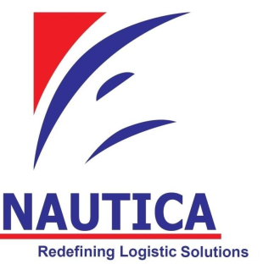
NAUTICA-BOOKING
 | Attn :
 |  |  |  |  |  |  |  | Nautica Maritime Consolidators (Pvt) Ltd
 |  | Booking Instruction |  |  |  |  |  | No. 1/2-2, "Deansten House", Deans Place, Colombo 3.
 |  |  |  |  |  |  |  | Tel: +94 115 552 797 / Hot: +94 712 282 220 / Fax: +94 112 372 210
 |  | Final Instruction |  |  |  |  |  | E-mail: info@nautica.lk / Web: www.nautica.lk

Shipper / Exporter


Tel / Contact person
Consignee

Tel / Contact person
Notify Party:

 |  |  |  |  |  |  | Delivery date

 |  |  |  |  |  |  | Incoterm:

Tel / Contact person
Also Notify: |  |  |  |  |  | Special Instructions:

Tel / Contact person
Carrier/Vessel/Flight |  |  |  |  |  |  | No.of FCRs / B/Ls required

Port of Loading |  |  | Closing Date |  |  |  | Total Net Weight |  | Freight Payable at / by

Port of Discharge |  |  | Final Destination |  |  |  | Total Gross Weight |  | Measurements in 'cm'

Marks & No's |  |  | No & Kind of PKGS |  | Description of Goods |  |  |  | Documents Accompanying Shipment

 |  |  |  |  |  |  |  |  | Commercial Invoice |  | X
 |  |  |  |  |  |  |  |  | Packing List |  | X

 |  |  |  |  |  |  |  |  | Quota Charge Statement
 |  |  |  |  |  |  |  |  | Manufacturers Certificate

 |  |  | Prepaid | Other |  |  | Prepaid | Insurance - Amount Requested
Freight |  |  |  | Charges
Charges |  |  | Collect | At Origin |  |  | Collect
 |  |  | Declared Value As per invoice |  |  |  |  | Shippers C.O.D Amount
For Customs |  |  |  | For carriage

Handling Information

Remarks :
I/We declare that the above particulars are correct and complete and
accept full responsibility for such declarations. I/We undertake to
repay you for all charges and expenses incurred on the above |  |  |  |  |  |  |  | Signature and stamp of shipper |  | Date

